Sheet1
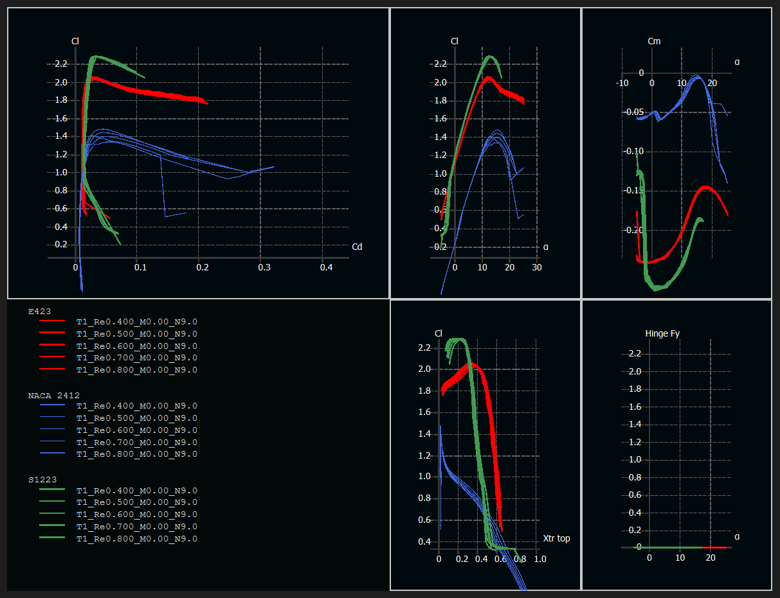
$${C_{l}}_{α=0}$$
$$α_{C_{l},max}$$
$$C_{m_{α}=0}$$
Parameter |  | Cl,max |  | Cd,min |  | Stall Variation
 | A | A | C | A | A | A
 |  | B | B | B | B | B
 |  |  | C | C | C | C
 |  |  |  | D | D | D
 |  |  |  |  | E | F
 |  |  |  |  |  | F

No. of occurences | 5 | 5 | 5 | 3 | 1 | 2
Weight | 23.81 | 23.81 | 23.81 | 14.29 | 4.76 | 9.52

$${C_{l}}_{α=0}$$
$$α_{C_{l},max}$$
Airfoil | S1223 | NACA 2412 | E423
 | 1 | -1 | 0
Cl,max | 1 | -1 | 0
 | 1 | -1 | 0
$$C_{m_{α}=0}$$
Cd,min | -1 | 1 | 0
 | -1 | 1 | 0
Stall Variation | -1 | 0 | 1
Sum (weighted) | 0.4286 | -0.5238 | 0.0952

